MICHAEL KORS BAGS
MICHAEL KORS BAGS ONLY
PHOTOS | REF | GENDER | CAT | SUB CAT | NAME | Colour | SIZE | QTY | RETAIL | TOTAL | EAN | SKU | MADE IN | COMPO
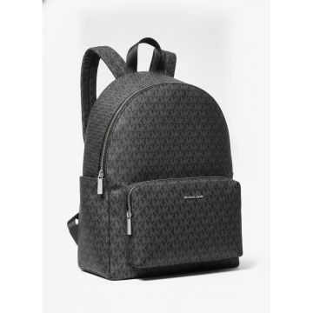 | 30T5STNB3C-BLACK | Women | Bags | Backpacks | Michael Kors MK Monogram Logo Backpack Black | BLACK | One Size | 202 | 325.00 € | 65,650.00 € | 0197853729391 | 30T5STNB3C-BLACK-OS | Cambodia | 100% RECYCLED POLYES TER
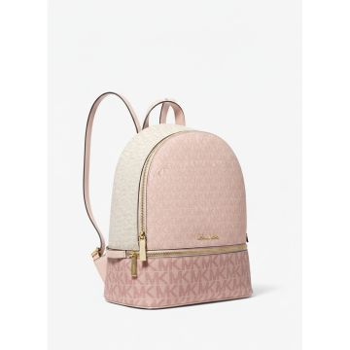 | 35S5GRAB6V-PWD BLSH MLT | Women | Bags | Backpacks | Michael Kors Color Block Mini Backpack Pink | PWD BLSH MLT | One Size | 716 | 450.00 € | 322,200.00 € | 0197853425620 | 35S5GRAB6V-PWD BLSH MLT-OS | Cambodia | 89.4% PVC 9.6% POLY 1% PU
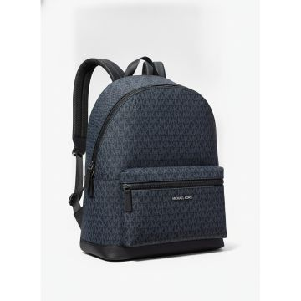 | 37U9LCRB3B-ADMRL_PLBLUE | Women | Bags | Backpacks | Michael Kors Cooper Navy Logo Print Backpack | ADMRL_PLBLUE | One Size | 196 | 500.00 € | 98,000.00 € | 0193600529917 | 37U9LCRB3B-ADMRL_PLBLUE-OS | Bangladesh | 89.4% PVC, 9.6% POLY ESTER, 1% POLYURETHA NE
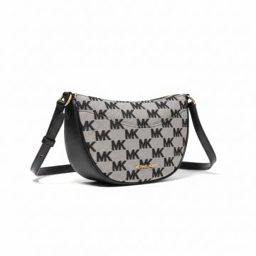 | 35S4G4DC5J-BLACK | Women | Bags | Belt bags | Michael Kors Dover MK Logo Belt Bag Black | BLACK | One Size | 32 | 325.00 € | 10,400.00 € | 0196237630223 | 35S4G4DC5J-BLACK-OS | KH | 70% COTTON, 30% POLY ESTER
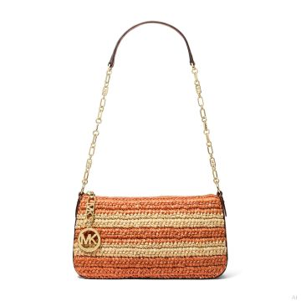 | 32S5G8EW8W-ORANGE PUNCH | Women | Bags | Clutch | Michael Kors Empire Woven Raffia Clutch Orange Punch | ORANGE PUNCH | One Size | 17 | 195.00 € | 3,315.00 € | 0197853465084 | 32S5G8EW8W-ORANGE PUNCH-OS | BD | 100% POLYPROPYLENE
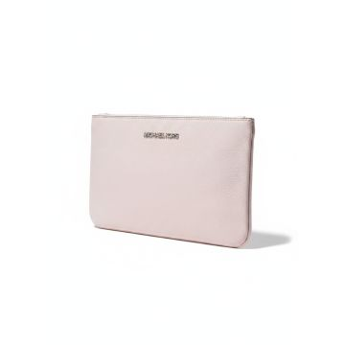 | 35S0GTVC9L-POWDER BLUSH | Women | Bags | Clutch | Michael Kors Jet Set Travel clutch in powder blush | POWDER BLUSH | One Size | 1 | 300.00 € | 300.00 € | 0193599707921 | 35S0GTVC9L-POWDER BLUSH-OS | Cambodia | 100% COW LEATHER
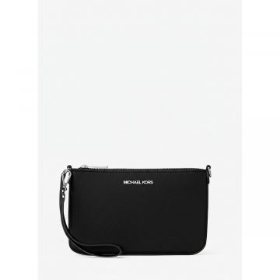 | 35T5STVW1C-BLACK | Women | Bags | Clutch | JET SET TRAVEL | BLACK | One Size | 694 | 265.00 € | 183,910.00 € | 0197853712362 | 35T5STVW1C-BLACK-OS | Indonesia, ID | 100% RECYCLED NYLON, 100% RECYCLED NYLON
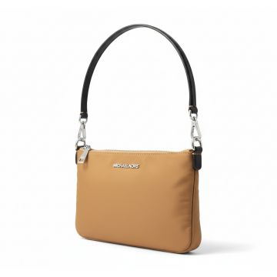 | 35T5STVW1C-PEANUT | Women | Bags | Clutch | JET SET TRAVEL | PEANUT | One Size | 34 | 265.00 € | 9,010.00 € | 0197853712379 | 35T5STVW1C-PEANUT-OS | Indonesia, ID | 100% RECYCLED NYLON, 100% RECYCLED NYLON
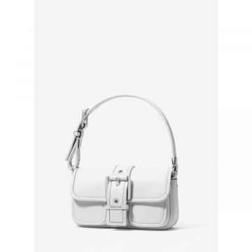 | 32F4SBAU0L-OPTIC WHITE | Women | Bags | Handbag | Michael Kors Buckle Shoulder Bag White | OPTIC WHITE | One Size | 7 | 250.00 € | 1,750.00 € | 0197853118089 | 32F4SBAU0L-OPTIC WHITE-OS | Vietnam | 100% COW LEATHER
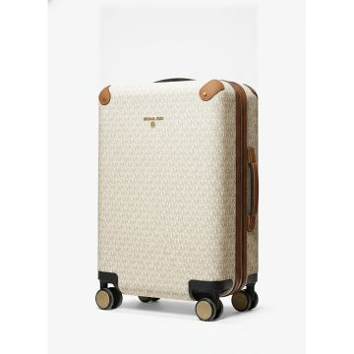 | 30S0GTFT3B-VANILLA_ACORN | Women | Bags | Luggages | Michael Kors Signature Vanilla Hard Shell Suitcase | VANILLA | One Size | 266 | 495.00 € | 131,670.00 € | 0194900336793 | 30S0GTFT3B-VANILLA_ACORN-OS | Vietnam | 91% PVC 8% POLY R 1% PU
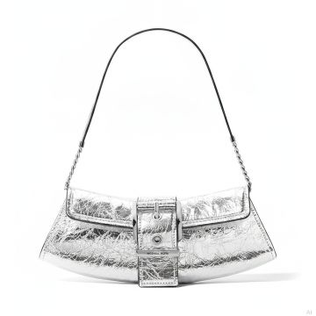 | 30F4SBAC1K-SILVER | Women | Bags | Messenger & crossbody bags | Michael Kors Colby Metallic Silver Shoulder Bag |  | One Size | 10 | 295.00 € | 2,950.00 € | 0197853112353 | 30F4SBAC1K-SILVER-OS | VN | 100% COW LEATHER
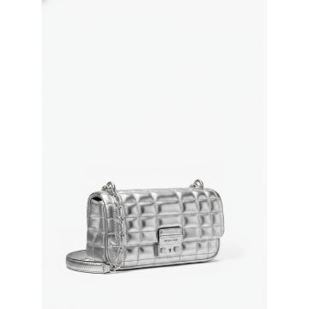 | 30S4S2RL5K-SILVER | Women | Bags | Messenger & crossbody bags | Michael Kors Tribeca Quilted Metallic Silver Crossbody Bag | SILVER | One Size | 36 | 295.00 € | 10,620.00 € | 0196237769169 | 30S4S2RL5K-SILVER-OS | Vietnam | 100% LAMB LEATHER
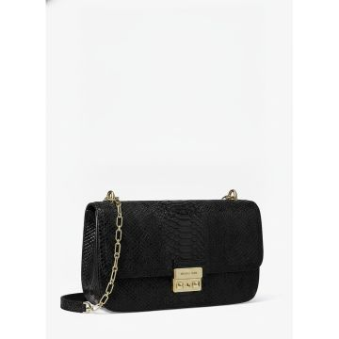 | 30T5G2RL7L-BLACK | Women | Bags | Messenger & crossbody bags | Michael Kors Snake Embossed Crossbody Bag Black | BLACK | One Size | 63 | 401.58 € | 25,299.54 € | 0197853728219 | 30T5G2RL7L-BLACK-OS | Cambodia | 100% COW LEATHER
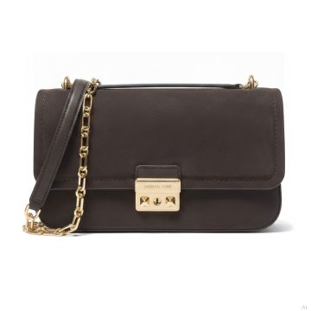 | 30T5G2RL9L-CHOCOLATE | Women | Bags | Messenger & crossbody bags | Michael Kors Slater Chocolate Suede Shoulder Bag | CHOCOLATE | One Size | 152 | 350.00 € | 53,200.00 € | 0197853728301 | 30T5G2RL9L-CHOCOLATE-OS | Cambodia | 100% COW LEATHER
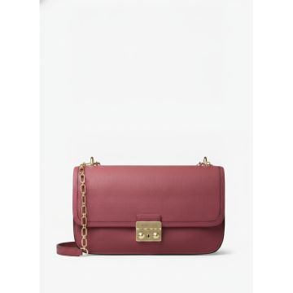 | 30T5G2RL9L-MULBERRY | Women | Bags | Messenger & crossbody bags | Michael Kors Sloan Large Leather Shoulder Bag Mulberry | MULBERRY | One Size | 30 | 350.00 € | 10,500.00 € | 0197853728318 | 30T5G2RL9L-MULBERRY-OS | Cambodia | 100% COW LEATHER
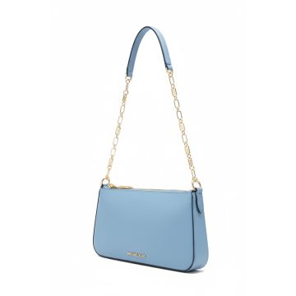 | 32H3G8EW6L-FRENC | Women | Bags | Messenger & crossbody bags | Michael Kors Small Shoulder Bag French Blue | FRENC | One Size | 5 | 228.75 € | 1,143.75 € | 0196237510396 | 32H3G8EW6L-FRENC-OS | Indonesia, Cambodia | 100% COW LEATHER, 100% COW LEATHER
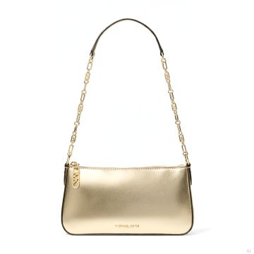 | 32R4G8EW2M-PALE GOLD | Women | Bags | Messenger & crossbody bags | Michael Kors Empire Metallic Gold Shoulder Bag | PALE GOLD | One Size | 365 | 225.00 € | 82,125.00 € | 0196237513038 | 32R4G8EW2M-PALE GOLD-OS | ID | 100% COW LEATHER
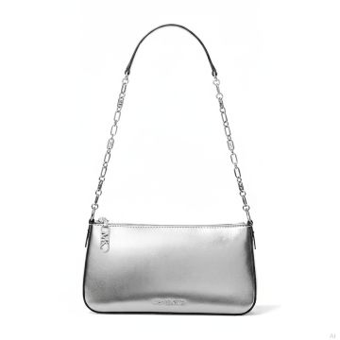 | 32S4S8EW6M-SILVER | Women | Bags | Messenger & crossbody bags | Michael Kors Empire Silver Metallic Shoulder Bag |  | One Size | 544 | 225.00 € | 122,400.00 € | 0196237775702 | 32S4S8EW6M-SILVER-OS | ID | 100% COW LEATHER
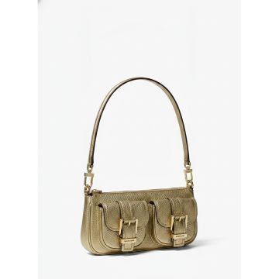 | 32T5GZCU1M-PALE GOLD | Women | Bags | Messenger & crossbody bags | Michael Kors Pale Gold Metallic Baguette Shoulder Bag | PALE GOLD | One Size | 40 | 152.50 € | 6,100.00 € | 0197853733381 | 32T5GZCU1M-PALE GOLD-OS | Indonesia | 100% COW LEATHER
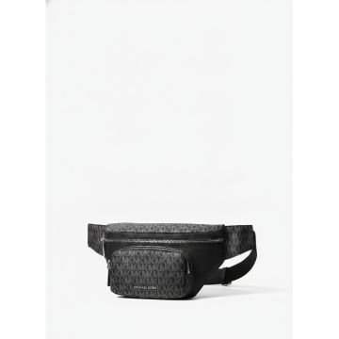 | 33T5LTNY9C-BLACK | Women | Bags | Messenger & crossbody bags | Michael Kors MK Logo Belt Bag Black | BLACK | One Size | 19 | 180.00 € | 3,420.00 € | 0197853725034 | 33T5LTNY9C-BLACK-OS | Vietnam | 100% RECYCLED NYLON
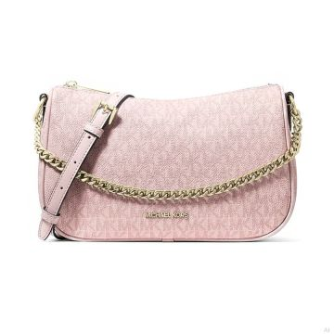 | 35F4G1QC8B-POWDER BLUSH | Women | Bags | Messenger & crossbody bags | Michael Kors Carmela Logo Crossbody Bag Powder Blush | POWDER BLUSH | One Size | 1 | 350.00 € | 350.00 € | 0197853700925 | 35F4G1QC8B-POWDER BLUSH-OS | Cambodia, Cambodia | 89.4% PVC, 9.6% POLY ESTER, 1% POLYURETHA NE, 91% PVC, 8% POLYESTE R, 1% PU
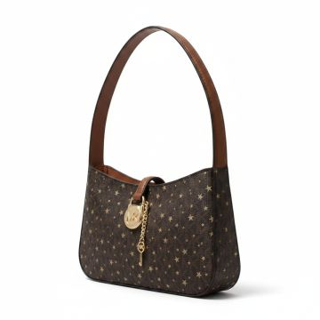 | 35F4G1YC1V-BROWN | Women | Bags | Messenger & crossbody bags | JET SET TRAVEL | BROWN | One Size | 165 | 325.00 € | 53,625.00 € | 0197853804432 | 35F4G1YC1V-BROWN-OS | Cambodia | 90% PVC, 10% POLYEST ER
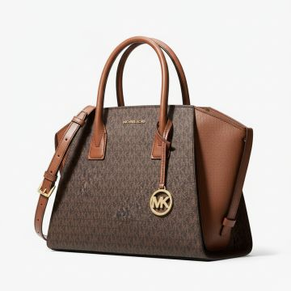 | 35F4G4VS3B-BROWN | Women | Bags | Messenger & crossbody bags | Michael Kors Signature Print Large Satchel Crossbody Bag Brown | BROWN | One Size | 706 | 475.00 € | 335,350.00 € | 0197853081376 | 35F4G4VS3B-BROWN-OS | Indonesia | 89.4% PVC 9.6% POLY 1% PU
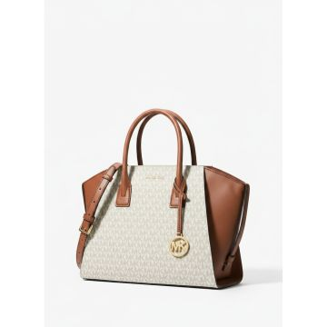 | 35F4G4VS3B-VANILLA | Women | Bags | Messenger & crossbody bags | Michael Kors Avril Large Signature Logo Satchel Vanilla Brown | VANILLA | One Size | 471 | 475.00 € | 223,725.00 € | 0197853081369 | 35F4G4VS3B-VANILLA-OS | Indonesia | 89.4% PVC 9.6% POLY 1% PU
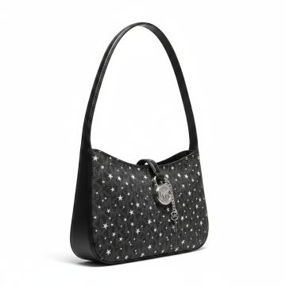 | 35F4S1YC1V-BLACK | Women | Bags | Messenger & crossbody bags | Michael Kors Star Pattern Shoulder Bag Black | BLACK | One Size | 203 | 325.00 € | 65,975.00 € | 0197853804852 | 35F4S1YC1V-BLACK-OS | Cambodia | 90% PVC, 10% POLYEST ER
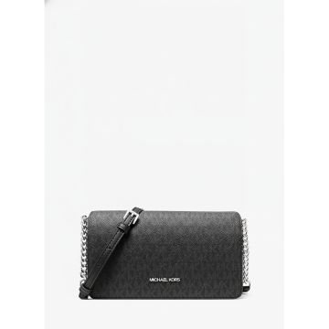 | 35F5GTVC8B-BLACK | Women | Bags | Messenger & crossbody bags | JET SET TRAVEL | BLACK | One Size | 681 | 350.00 € | 238,350.00 € | 0197853806498 | 35F5GTVC8B-BLACK-OS | Cambodia | 89.4% PVC 9.6% POLY 1% PU
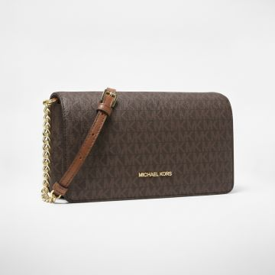 | 35F5GTVC8B-BROWN | Women | Bags | Messenger & crossbody bags | Michael Kors Jet Set Travel crossbody wallet in signature brown monogram | BROWN | One Size | 13 | 350.00 € | 4,550.00 € | 0197853806511 | 35F5GTVC8B-BROWN-OS | Cambodia | 89.4% PVC 9.6% POLY 1% PU
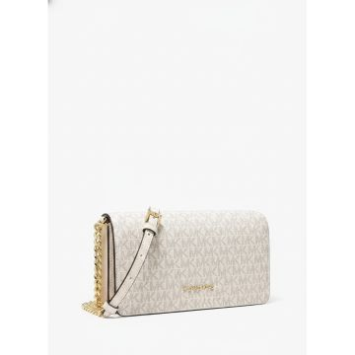 | 35F5GTVC8B-VANILLA | Women | Bags | Messenger & crossbody bags | Michael Kors Jet Set Travel small crossbody bag in vanilla | VANILLA | One Size | 31 | 350.00 € | 10,850.00 € | 0197853806504 | 35F5GTVC8B-VANILLA-OS | Cambodia | 89.4% PVC 9.6% POLY 1% PU
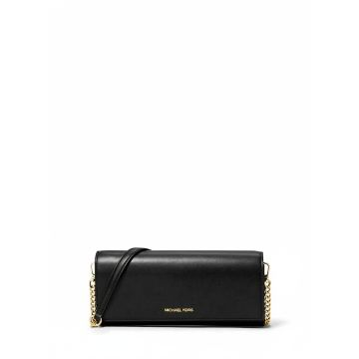 | 35F5GTVC8L-BLACK | Women | Bags | Messenger & crossbody bags | JET SET TRAVEL | BLACK | One Size | 10 | 350.00 € | 3,500.00 € | 0197853806542 | 35F5GTVC8L-BLACK-OS | Indonesia | 100% COW LEATHER
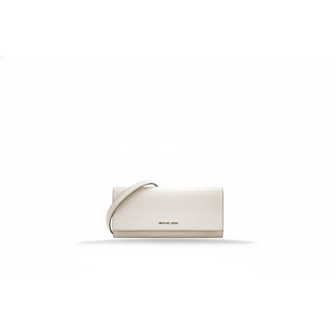 | 35F5GTVC8L-LT CREAM | Women | Bags | Messenger & crossbody bags | JET SET TRAVEL | Cream | One Size | 314 | 350.00 € | 109,900.00 € | 0197853806566 | 35F5GTVC8L-LT CREAM-OS | Indonesia | 100% COW LEATHER
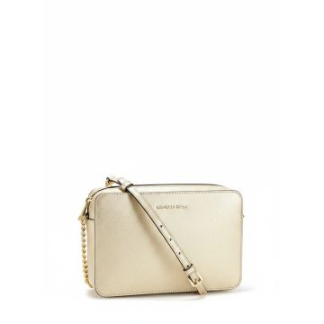 | 35F5GWHL8M-PALE GOLD | Women | Bags | Messenger & crossbody bags | Michael Kors Whitney Crossbody Bag Pale Gold | PALE GOLD | One Size | 47 | 450.00 € | 21,150.00 € | 0197853807440 | 35F5GWHL8M-PALE GOLD-OS | Vietnam | TEXTILE BASE COATED IN PU
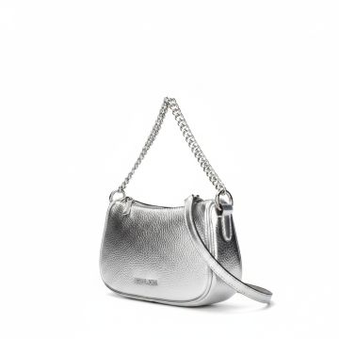 | 35F5S1QC5M-SILVER | Women | Bags | Messenger & crossbody bags | Michael Kors Silver Metallic Chain Shoulder Bag | SILVER | One Size | 27 | 325.00 € | 8,775.00 € | 0197853813250 | 35F5S1QC5M-SILVER-OS | Vietnam | 100% POLYURETHANE
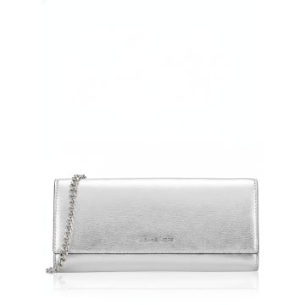 | 35F5STVC6Y-SILVER | Women | Bags | Messenger & crossbody bags | Michael Kors Jet Set Travel silver metallic leather clutch wallet | SILVER | One Size | 177 | 350.00 € | 61,950.00 € | 0197853811966 | 35F5STVC6Y-SILVER-OS | Indonesia | 100% COW LEATHER
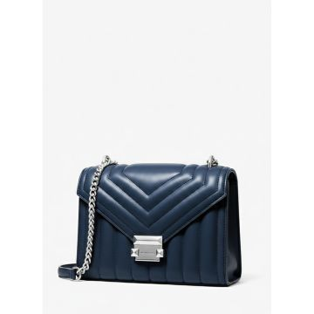 | 35R4SWHL6U-NAVY | Women | Bags | Messenger & crossbody bags | Michael Kors Whitney Quilted Crossbody Navy | NAVY | One Size | 870 | 450.00 € | 391,500.00 € | 0196237489159 | 35R4SWHL6U-NAVY-OS | Vietnam | 52% PU, 48 % POLY
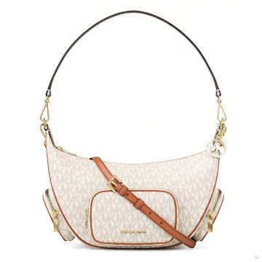 | 35R6G0WS8B-VANILLA | Women | Bags | Messenger & crossbody bags | MERRIT |  | One Size | 500 | 450.00 € | 225,000.00 € | 0199125033373 | 35R6G0WS8B-VANILLA-OS | Cambodia | 89.4% PVC, 9.6% POLY ESTER, 1% POLYURETHA NE
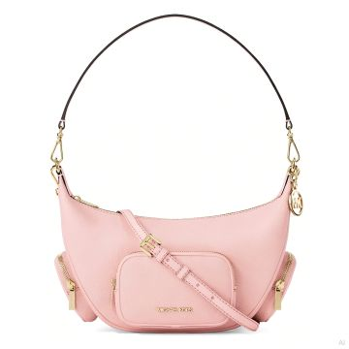 | 35R6G0WS8L-POWDER BLUSH | Women | Bags | Messenger & crossbody bags | MERRIT |  | One Size | 200 | 450.00 € | 90,000.00 € | 0199125033441 | 35R6G0WS8L-POWDER BLUSH-OS | Bangladesh | 100% COW LEATHER
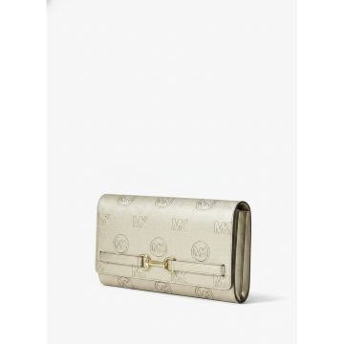 | 35R6G2ZC7M-PALE GOLD | Women | Bags | Messenger & crossbody bags | Michael Kors Carson Logo Clutch Wallet Pale Gold | GOLD | One Size | 191 | 295.00 € | 56,345.00 € | 0199125033779 | 35R6G2ZC7M-PALE GOLD-OS | Vietnam | TEXTILE BASE COATED IN PU
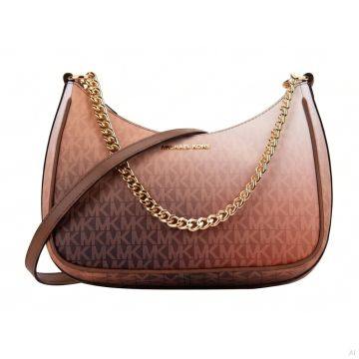 | 35R6GTVC3B-LUGGAGE MULTI | Women | Bags | Messenger & crossbody bags | JET SET |  | One Size | 327 | 295.00 € | 96,465.00 € | 0199125043112 | 35R6GTVC3B-LUGGAGE MULTI-OS | Indonesia | 90% PVC, 10% POLYEST ER
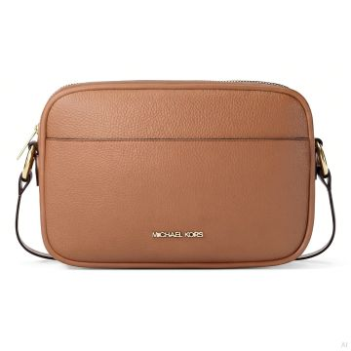 | 35R6GTVC7L-CARNATION | Women | Bags | Messenger & crossbody bags | JET SET | CARNATION | One Size | 304 | 325.00 € | 98,800.00 € | 0199125136005 | 35R6GTVC7L-CARNATION-OS | Cambodia | 100% COW LEATHER
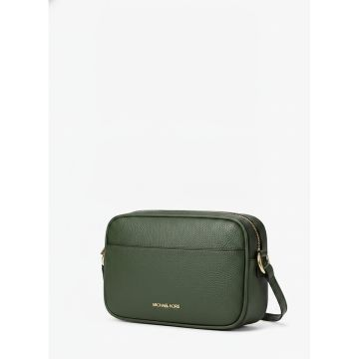 | 35R6GTVC7L-MOSS | Women | Bags | Messenger & crossbody bags | JET SET TRAVEL | BROWN | One Size | 61 | 325.00 € | 19,825.00 € | 0199125032215 | 35R6GTVC7L-MOSS-OS | Cambodia | 100% COW LEATHER
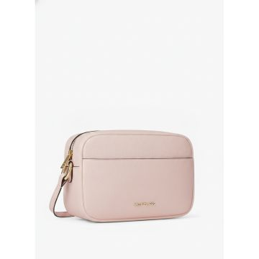 | 35R6GTVC7L-POWDER BLUSH | Women | Bags | Messenger & crossbody bags | JET SET TRAVEL | PINK | One Size | 1,507 | 325.00 € | 489,775.00 € | 0199125032246 | 35R6GTVC7L-POWDER BLUSH-OS | Cambodia | 100% COW LEATHER
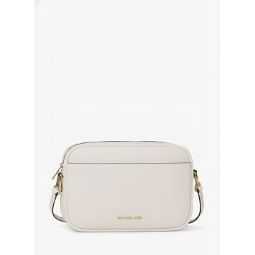 | 35R6GTVC8Y-LT CREAM | Women | Bags | Messenger & crossbody bags | JET SET TRAVEL | Cream | One Size | 365 | 395.00 € | 144,175.00 € | 0199125032352 | 35R6GTVC8Y-LT CREAM-OS | India | TEXTILE BASE COATED IN PU
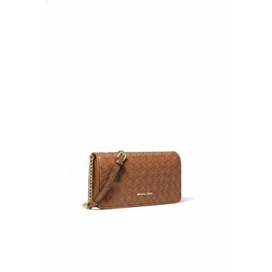 | 35R6GTVC8Y-LUGGAGE | Women | Bags | Messenger & crossbody bags | JET SET TRAVEL | LUGGAGE | One Size | 95 | 395.00 € | 37,525.00 € | 0199125032345 | 35R6GTVC8Y-LUGGAGE-OS | India | TEXTILE BASE COATED IN PU
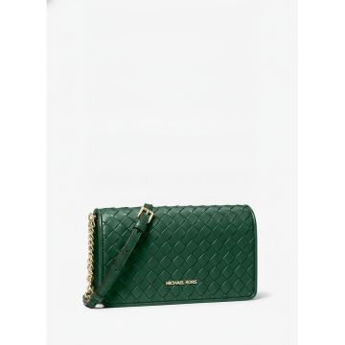 | 35R6GTVC8Y-MOSS | Women | Bags | Messenger & crossbody bags | JET SET TRAVEL WOVEN CROSSBODY | BROWN | One Size | 149 | 395.00 € | 58,855.00 € | 0199125032369 | 35R6GTVC8Y-MOSS-OS | India | TEXTILE BASE COATED IN PU
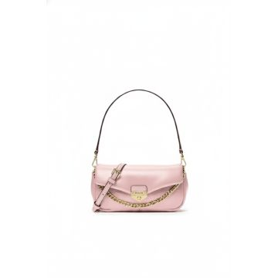 | 35R6GTVC8Y-POWDER BLUSH | Women | Bags | Messenger & crossbody bags | JET SET TRAVEL | PINK | One Size | 493 | 395.00 € | 194,735.00 € | 0199125032376 | 35R6GTVC8Y-POWDER BLUSH-OS | India | TEXTILE BASE COATED IN PU
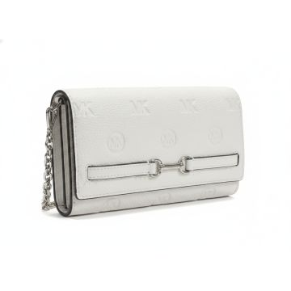 | 35R6S2ZC3V-OPTIC WHITE | Women | Bags | Messenger & crossbody bags | Michael Kors Carson Optic White Embossed Leather Clutch | WHITE | One Size | 90 | 295.00 € | 26,550.00 € | 0199125038040 | 35R6S2ZC3V-OPTIC WHITE-OS | Vietnam | 60% PU 40 % POLY
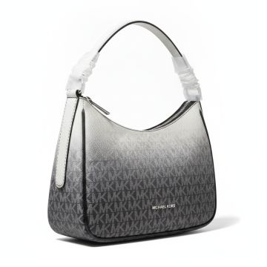 | 35R6STVC3B-BLACK COMBO | Women | Bags | Messenger & crossbody bags | JET SET TRAVEL | BLACK | One Size | 98 | 295.00 € | 28,910.00 € | 0199125036541 | 35R6STVC3B-BLACK COMBO-OS | Indonesia | 90% PVC 10% POLY
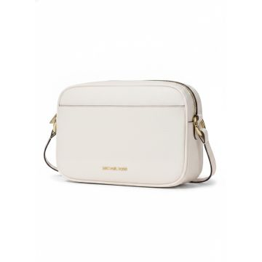 | 35R6STVC7L-OPTIC WHITE | Women | Bags | Messenger & crossbody bags | The Michael Kors Jet Set Travel crossbody bag in optic white | WHITE | One Size | 157 | 325.00 € | 51,025.00 € | 0199125036756 | 35R6STVC7L-OPTIC WHITE-OS | Cambodia | 100% COW LEATHER
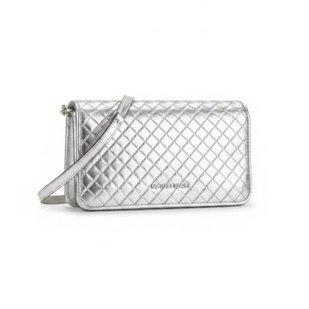 | 35R6STVC8I-SILVER | Women | Bags | Messenger & crossbody bags | JET SET TRAVEL | SILVER | One Size | 706 | 395.00 € | 278,870.00 € | 0199125036824 | 35R6STVC8I-SILVER-OS | India | 77% PU 18.26% POLY 4.74% VU
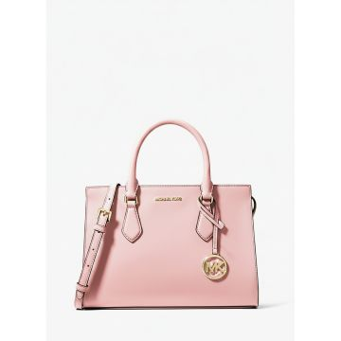 | 35S3G6HS2L-POWDER BLUSH | Women | Bags | Messenger & crossbody bags | Michael Kors Saffiano Leather Handbag Pink | POWDER BLUSH | One Size | 221 | 395.00 € | 87,295.00 € | 0196163778556 | 35S3G6HS2L-POWDER BLUSH-OS | Cambodia | 89.4% PVC 9.6% POLY 1% PU
 | 35S5GGRC1B-BROWN MULTI | Women | Bags | Messenger & crossbody bags | Michael Kors Greenwich Crossbody Bag Brown Multi | BROWN MULTI | One Size | 23 | 350.00 € | 8,050.00 € | 0197853424692 | 35S5GGRC1B-BROWN MULTI-OS | Indonesia | 89.4% PVC 9.6% POLY 1% PU
 | 35S5GTTC9B-POP ORANGE MULTI | Women | Bags | Messenger & crossbody bags | JET SET ITEM |  | One Size | 25 | 295.00 € | 7,375.00 € | 0197853705166 | 35S5GTTC9B-POP ORANGE MULTI-OS | Indonesia | 89.4% PVC, 9.6% POLY ESTER, 1% POLYURETHA NE
 | 35S5SGRC1L-DRIFTWOOD | Women | Bags | Messenger & crossbody bags | Michael Kors Brown Leather Crossbody Bag | DRIFTWOOD | One Size | 201 | 350.00 € | 70,350.00 € | 0197853818095 | 35S5SGRC1L-DRIFTWOOD-OS | Indonesia | 100% COW LEATHER
 | 35S5STTC9B-DARK RASPBERRY MULTI | Women | Bags | Messenger & crossbody bags | JET SET TRAVEL | DARK RASPBERRY MULTI | One Size | 30 | 295.00 € | 8,850.00 € | 0197853706170 | 35S5STTC9B-DARK RASPBERRY MULTI-OS | Indonesia, ID | 89.4% PVC, 9.6% POLY ESTER, 1% POLYURETHA NE
 | 35S6G5ZM2B-BROWN | Women | Bags | Messenger & crossbody bags | Michael Kors Nayla Signature Crossbody Bag Brown | BROWN | One Size | 380 | 350.00 € | 133,000.00 € | 0199125143874 | 35S6G5ZM2B-BROWN-OS | Bangladesh | 89.4% PVC, 9.6% POLY ESTER, 1% POLYURETHA NE
 | 35S6G5ZM2B-VANILLA | Women | Bags | Messenger & crossbody bags | Michael Kors Nayla Signature Logo Crossbody Bag Vanilla |  | One Size | 498 | 350.00 € | 174,300.00 € | 0199125143867 | 35S6G5ZM2B-VANILLA-OS | Bangladesh | 89.4% PVC, 9.6% POLY ESTER, 1% POLYURETHA NE
 | 35S6G5ZM2L-BLACK | Women | Bags | Messenger & crossbody bags | Michael Kors Nayla Black Leather Crossbody Bag | BLACK | One Size | 339 | 350.00 € | 118,650.00 € | 0199125143898 | 35S6G5ZM2L-BLACK-OS | Bangladesh | 100% COW LEATHER
 | 35S6G5ZM2L-LUGGAGE | Women | Bags | Messenger & crossbody bags | MD MSGR | LUGGAGE | One Size | 501 | 350.00 € | 175,350.00 € | 0199125143911 | 35S6G5ZM2L-LUGGAGE-OS | Indonesia | 100% COW LEATHER
 | 35S6S1SC1Y-LIME | Women | Bags | Messenger & crossbody bags | Michael Kors Soho Leather Crossbody Bag Lime | LIME | One Size | 328 | 350.00 € | 114,800.00 € | 0199125148305 | 35S6S1SC1Y-LIME-OS | Indonesia | 53.5% PU, 46.5% POLY ESTER
 | 35S6S1SC1Y-PALE OCEAN | Women | Bags | Messenger & crossbody bags | Michael Kors Soho Leather Baguette Pale Ocean Blue | PALE OCEAN | One Size | 288 | 350.00 € | 100,800.00 € | 0199125148312 | 35S6S1SC1Y-PALE OCEAN-OS | Indonesia | 53.5% PU, 46.5% POLY ESTER
 | 35T5G1YC1S-LT CREAM | Women | Bags | Messenger & crossbody bags | Michael Kors Lyra Saffiano Leather Crossbody Bag Light Cream | LT CREAM | One Size | 50 | 325.00 € | 16,250.00 € | 0197853709270 | 35T5G1YC1S-LT CREAM-OS | VN | 52% POLYURETHANE, 48 % POLYAMIDE
 | 35T5S1QC1Y-PEANUT | Women | Bags | Messenger & crossbody bags | Michael Kors Carmela Woven Leather Crossbody Peanut | PEANUT | One Size | 50 | 325.00 € | 16,250.00 € | 0197853712911 | 35T5S1QC1Y-PEANUT-OS | KH | 60% POLYURETHANE, 20 % COTTON, 20% POLYES TER
 | 35T5SGRC1J-NAVY | Women | Bags | Messenger & crossbody bags | Michael Kors Monogram Crossbody Bag Navy | NAVY | One Size | 18 | 350.00 € | 6,300.00 € | 0197853710443 | 35T5SGRC1J-NAVY-OS | Cambodia | 54% COTTON, 46% POLY ESTER
 | 35T5SIMM8L-BLACK | Women | Bags | Messenger & crossbody bags | Michael Kors Mila Black Leather Saddle Crossbody Bag | BLACK | One Size | 701 | 395.00 € | 276,895.00 € | 0197853711129 | 35T5SIMM8L-BLACK-OS | Vietnam | 100% COW LEATHER
 | 35T5SIMM8L-OPTIC WHITE | Women | Bags | Messenger & crossbody bags | Michael Kors Mila Saddle Crossbody Bag Optic White | OPTIC WHITE | One Size | 46 | 395.00 € | 18,170.00 € | 0197853711136 | 35T5SIMM8L-OPTIC WHITE-OS | Vietnam | 100% COW LEATHER, 100% COW LEATHER
 | 35F5GTFC1Z-CHERRY | Women | Bags | Mini bags | Michael Kors Mini Crossbody Bag Cherry Red | CHERRY | One Size | 2 | 350.00 € | 700.00 € | 0197853805859 | 35F5GTFC1Z-CHERRY-OS | IN | 45% TPU, 45% POLYEST ER, 10% POLYURETHANE
 | 35F5S8WE6S-NAVY | Women | Bags | Shoulder bags | Michael Kors Navy Blue Shoulder Bag | NAVY | One Size | 926 | 495.00 € | 458,370.00 € | 0199125030143 | 35F5S8WE6S-NAVY-OS | Indonesia | 100% COW LEATHER
 | 35R5G7ZT2B-VANILLA | Women | Bags | Shoulder bags | Michael Kors Logo Print Tote Bag Vanilla | VANILLA | One Size | 267 | 495.00 € | 132,165.00 € | 0197853280564 | 35R5G7ZT2B-VANILLA-OS | Cambodia | 89.4% PVC 9.6% POLY 1% PU
 | 35S4GTVC5L-BLACK | Women | Bags | Shoulder bags | JET SET TRAVEL | BLACK | One Size | 300 | 295.00 € | 88,500.00 € | 0196237627155 | 35S4GTVC5L-BLACK-OS | Indonesia | 89.4% PVC 9.6% POLY 1% PU
 | 30T5STNT1C-BLACK | Women | Bags | Tote bags | Michael Kors MK Monogram Zip Tote Black | BLACK | One Size | 15 | 195.00 € | 2,925.00 € | 0197853729414 | 30T5STNT1C-BLACK-OS | Cambodia | 100% RECYCLED POLYES TER
 | 33T5LTNU3C-BLACK | Women | Bags | Tote bags | Michael Kors MK Monogram Duffel Bag Black | BLACK | One Size | 18 | 330.00 € | 5,940.00 € | 0197853725027 | 33T5LTNU3C-BLACK-OS | Vietnam | 100% RECYCLED NYLON
 | 35F3GTVT8B-POWDER BLUSH | Women | Bags | Tote bags | JET SET TRAVEL | POWDER BLUSH | One Size | 1,598 | 350.00 € | 559,300.00 € | 0196237481801 | 35F3GTVT8B-POWDER BLUSH-OS | Indonesia | 60% PU, 20 % CO, 20% POLY
 | 35F5G4XT3V-CHERRY | Women | Bags | Tote bags | LG TZ TOTE | CHERRY | One Size | 131 | 375.00 € | 49,125.00 € | 0197853809000 | 35F5G4XT3V-CHERRY-OS | Indonesia | 89.4% PVC, 9.6% POLY ESTER, 1% POLYURETHA NE
 | 35F5S4XT3L-OLIVE | Women | Bags | Tote bags | LG TZ TOTE | OLIVE | One Size | 8 | 375.00 € | 3,000.00 € | 0197853814486 | 35F5S4XT3L-OLIVE-OS | Indonesia | 88.92% PVC, 11.08% P OLYESTER
 | 35S4GTFU4B-VANILLA | Women | Bags | Tote bags | Michael Kors Signature Dome Satchel Vanilla | VANILLA | One Size | 22 | 525.00 € | 11,550.00 € | 0196237916198 | 35S4GTFU4B-VANILLA-OS | Indonesia | 89.4% PVC 9.6% POLY 1% PU
 | 35S5GV6T7B-POP ORANGE MULTI | Women | Bags | Tote bags | Michael Kors Voyager Signature Tote Pop Orange Multi | POP ORANGE MULTI | One Size | 12 | 425.00 € | 5,100.00 € | 0197853705302 | 35S5GV6T7B-POP ORANGE MULTI-OS | Indonesia | 89.4% PVC, 9.6% POLY ESTER, 1% POLYURETHA NE
 | 35S5SV6T7B-DARKR | Women | Bags | Tote bags | Michael Kors Voyager Signature Logo Tote Raspberry | DARKR | One Size | 266 | 425.00 € | 113,050.00 € | 0197853706354 | 35S5SV6T7B-DARKR-OS | Indonesia | 89.4% PVC, 9.6% POLY, 1% PU, 91% PVC, 8% POLYESTE R, 1% PU
MICHAEL KORS BAGS ONLY |  |  |  |  |  |  |  | 19,652 | 373.13 € | 7,332,778.29 €

